NAME WORKSHEET
INSTRUCTIONS: (COLUMNS DENOTED WITH (**) HAVE FORMULAS OR LOGIC IN THEM THAT SHOULD NOT BE WRITTEN OVER)
COLUMN A = RAW DATA OF ACCT NAME
COLUMN B = RAW DATA OF ACCT NUMBER
**COLUMN C = FORMULA TO CLEANSE COLUMN A, MAKE UPPER CASE AND REMOVE ANY EXTRA SPACES
**COLUMN D = FORMULA TO ADD LEADING ZERO IF LESS THAN 4 DIGITS, IF YOUR STORE NUMBER IS MORE THAN 4 DIGITS, OR MIXED WITH VARIOUS DIGITS, SIMPLY UPDATE THE FORMULA, THE "0"S REPRESENT THE NUMBER OF DIGITS NEEDED:
CURRENT FORMULA=TEXT(B2,"0000")
IF YOU NEED 6 DIGITS=TEXT(B2,"000000")
ADJUST THE ZEROS AS NEEDED
**COLUMN E = CONCATS THE FINAL NAME RESULTS, COPY AND PASTE VALUES INTO "FIELD" TAB
ENTER CUST NAME (REMOVE ANY SPECIAL CHARACTERS: $%#@&;') | ENTER STORE # | AUTO POPULATES | AUTO POPULATES | AUTO POPULATES
Pops Bar | 321 | POPS BAR | 0321 | POPS BAR #0321
Pops | 323 | POPS | 0323 | POPS #0323
Pops | 322 | POPS | 0322 | POPS #0322
Pops | 308 | POPS | 0308 | POPS #0308
Pops | 801 | POPS | 0801 | POPS #0801
Pop`s | 806 | POP`S | 0806 | POP`S #0806
Pop`s | 804 | POP`S | 0804 | POP`S #0804
Pop`s | 805 | POP`S | 0805 | POP`S #0805
Pop`s | 803 | POP`S | 0803 | POP`S #0803
Pop`s | 802 | POP`S | 0802 | POP`S #0802
Pops | 317 | POPS | 0317 | POPS #0317
Pops | 318 | POPS | 0318 | POPS #0318
Pops | 324 | POPS | 0324 | POPS #0324
Pops | 302 | POPS | 0302 | POPS #0302
Pops | 311 | POPS | 0311 | POPS #0311
Pops | 305 | POPS | 0305 | POPS #0305
Pops | 309 | POPS | 0309 | POPS #0309
Pops | 310 | POPS | 0310 | POPS #0310
Pops | 315 | POPS | 0315 | POPS #0315
Pops | 319 | POPS | 0319 | POPS #0319

STREET WORKSHEET
HOW TO CORRECT ADDRESS:
1. Copy Column J from DSD tab and paste in A2 of this worksheet.
2. Highlight column A
3. Select the "Text to Column" action
a. Select delimited and click next
b. Select the Tab, Comma, Space and Other box
i. In Other box, put "|" (the vertical bar that is above the
"Enter" key on your keyboard) and click next
4. Keep destination $A$1.
a. A pop up box will warn that data already exisits in those
fields, do you want to continue? Click "Yes"
b. Click "Finish"
*Drag Column J down to completely capture all the address that are on the worksheet
*Column A of this worksheet should be placed in Column K on the DSD Tab
*Column J of this worksheet should be placed in Column J on the DSD Tab
TEXT |  |  |  |  | CONCATENATE | RESTRUCTURED ADDY
1609 | ELM | ST | W |  | ELM ST W | 1609 ELM ST W
3474 | POINT | SOUTH | DR |  | POINT SOUTH DR | 3474 POINT SOUTH DR
136 | RAILROAD | AVE | N |  | RAILROAD AVE N | 136 RAILROAD AVE N
6131 | W | JIM | BILTON | BLVD | W JIM BILTON BLVD | 6131 W JIM BILTON BLVD
1101 | W | NEW | BERN | RD | W NEW BERN RD | 1101 W NEW BERN RD
4290 | US | HIGHWAY | 17 | N | US HIGHWAY 17 N | 4290 US HIGHWAY 17 N
6041 | HWY | 70 |  |  | HWY 70 | 6041 HWY 70
1502 | GREENVILLE | HWY |  |  | GREENVILLE HWY | 1502 GREENVILLE HWY
6130 | US | HIGHWAY | 70 | W | US HIGHWAY 70 W | 6130 US HIGHWAY 70 W
1509 | S | GLENBURNIE | RD |  | S GLENBURNIE RD | 1509 S GLENBURNIE RD
1000 | JACKSON | ST |  |  | JACKSON ST | 1000 JACKSON ST
418 | PINEY | GROVE | RD |  | PINEY GROVE RD | 418 PINEY GROVE RD
2721 | WESSINGER | RD |  |  | WESSINGER RD | 2721 WESSINGER RD
18076 | HERITAGE | HWY |  |  | HERITAGE HWY | 18076 HERITAGE HWY
11393 | DUNBARTON | BLVD |  |  | DUNBARTON BLVD | 11393 DUNBARTON BLVD
519 | MAIN | ST | N |  | MAIN ST N | 519 MAIN ST N
105 | S | MAIN | ST |  | S MAIN ST | 105 S MAIN ST
10354 | DUNBARTON | BLVD |  |  | DUNBARTON BLVD | 10354 DUNBARTON BLVD
100 | W | 1ST | ST |  | W 1ST ST | 100 W 1ST ST
439 | BLOSSOM | ST |  |  | BLOSSOM ST | 439 BLOSSOM ST

CROSSDOCK
THIS IS A REFERENCE FOR CROSS DOCKING TO UPDATE THE SOURCE AND DELIVERY PLANTS ON THE LOAD TAB
SALES OFFICE | TERRITORY | CROSS DOCK | CROSSDOCK
C009 | PIKEVILLE, KY | C006/AC009 | C006
C010 | COOKEVILLE, TN | C005/AC010 | C005
C011 | EVANSVILLE, IN | C003/AC011 | C003
C033 | ZANESVILLE, OH | C032/AC033 | C032
C034 | MANSFIELD, OH | C073/AC034 | C073
C037 | PORTSMOUTH, OH | C006/AC037 | C006
C039 | LIMA, OH | C038/AC039 | C038
C040 | FINDLEY, OH | C038/AC040 | C038
C042 | ANDERSON, IN | C145/AC042 | C145
C047 | BLOOMINGTON, IN | C145/AC042 | C145
C074 | WILLOUGHBY, OH | C073/AC074 | C073
C232 | BECKLEY, WV | C214/AC232 | C214
C532 | GREENVILLE, *NC* | C066/AC532 | C066

VLOOKUP
USE THIS TAB TO VLOOKUP THE OLD ACCTS TO REPLACE WITH THE NEW ACCT NUMBERS
new | old | new
0501459574 | 500886434 | 0501459574
0501459675 | 500888442 | 0501459675
0501459677 | 500888446 | 0501459677
0501459678 | 602015199 | 0501459678
0501459679 | 602336042 | 0501459679
0501459680 | 602345736 | 0501459680
0501459681 | 602346842 | 0501459681
0501459682 | 602346941 | 0501459682
0501459683 | 602346961 | 0501459683
0501459575 | 602362086 | 0501459575
0501459576 | 602403663 | 0501459576
0501459577 | 602403668 | 0501459577
0501459578 | 602403681 | 0501459578
0501459579 | 602403684 | 0501459579
0501459580 | 602403688 | 0501459580
0501459671 | 602403701 | 0501459671
0501459672 | 602403707 | 0501459672
0501459673 | 602403714 | 0501459673
0501459674 | 602403720 | 0501459674
0501459676 | 602403733 | 0501459676

PARTNER
CMM TEMPLATE TO RUN AFTER NEW ACCTS HAVE BEEN CREATED
Cust Number | Sales Org | Dist Channel | Division | Partner Function | Action | New Partner | Old Partner
KNVP-KUNNR | KNVP-VKORG | KNVP-VTWEG | KNVP-SPART | KNVP-PARVW | KNVP-ACTION | KNVP-NEWPARTNER | KNVP-OLDPARTNER

TIME
Customer | Unloading Point | Cust.calendar | Goods rec.hours | Monday | Monday | Monday | Monday | Tuesday | Tuesday | Tuesday | Tuesday | Wednesday | Wednesday | Wednesday | Wednesday | Thursday | Thursday | Thursday | Thursday | Friday | Friday | Friday | Friday | Saturday | Saturday | Saturday | Saturday | Sunday | Sunday | Sunday | Sunday
KNVA-KUNNR | KNVA-ABLAD | KNVA-KNFAK | KNVA-WANID | KNVA-MOAB1 | KNVA-MOBI1 | KNVA-MOAB2 | KNVA-MOBI2 | KNVA-DIAB1 | KNVA-DIBI1 | KNVA-DIAB2 | KNVA-DIBI2 | KNVA-MIAB1 | KNVA-MIBI1 | KNVA-MIAB2 | KNVA-MIBI2 | KNVA-DOAB1 | KNVA-DOBI1 | KNVA-DOAB2 | KNVA-DOBI2 | KNVA-FRAB1 | KNVA-FRBI1 | KNVA-FRAB2 | KNVA-FRBI2 | KNVA-SAAB1 | KNVA-SABI1 | KNVA-SAAB2 | KNVA-SABI2 | KNVA-SOAB1 | KNVA-SOBI1 | KNVA-SOAB2 | KNVA-SOBI2
 | DELIVERY TIMES | Z8 | / | 080000 | 170000 | 000000 | 000000 | 080000 | 170000 | 000000 | 000000 | 080000 | 170000 | 000000 | 000000 | 080000 | 170000 | 000000 | 000000 | 080000 | 170000 | 000000 | 000000 | 080000 | 170000 | 000000 | 000000 | 080000 | 170000 | 000000 | 000000
 | DELIVERY TIMES | Z8 | / | 080000 | 170000 | 000000 | 000000 | 080000 | 170000 | 000000 | 000000 | 080000 | 170000 | 000000 | 000000 | 080000 | 170000 | 000000 | 000000 | 080000 | 170000 | 000000 | 000000 | 080000 | 170000 | 000000 | 000000 | 080000 | 170000 | 000000 | 000000
 | DELIVERY TIMES | Z8 | / | 080000 | 170000 | 000000 | 000000 | 080000 | 170000 | 000000 | 000000 | 080000 | 170000 | 000000 | 000000 | 080000 | 170000 | 000000 | 000000 | 080000 | 170000 | 000000 | 000000 | 080000 | 170000 | 000000 | 000000 | 080000 | 170000 | 000000 | 000000
 | DELIVERY TIMES | Z8 | / | 080000 | 170000 | 000000 | 000000 | 080000 | 170000 | 000000 | 000000 | 080000 | 170000 | 000000 | 000000 | 080000 | 170000 | 000000 | 000000 | 080000 | 170000 | 000000 | 000000 | 080000 | 170000 | 000000 | 000000 | 080000 | 170000 | 000000 | 000000
 | DELIVERY TIMES | Z8 | / | 080000 | 170000 | 000000 | 000000 | 080000 | 170000 | 000000 | 000000 | 080000 | 170000 | 000000 | 000000 | 080000 | 170000 | 000000 | 000000 | 080000 | 170000 | 000000 | 000000 | 080000 | 170000 | 000000 | 000000 | 080000 | 170000 | 000000 | 000000
 | DELIVERY TIMES | Z8 | / | 080000 | 170000 | 000000 | 000000 | 080000 | 170000 | 000000 | 000000 | 080000 | 170000 | 000000 | 000000 | 080000 | 170000 | 000000 | 000000 | 080000 | 170000 | 000000 | 000000 | 080000 | 170000 | 000000 | 000000 | 080000 | 170000 | 000000 | 000000
 | DELIVERY TIMES | Z8 | / | 080000 | 170000 | 000000 | 000000 | 080000 | 170000 | 000000 | 000000 | 080000 | 170000 | 000000 | 000000 | 080000 | 170000 | 000000 | 000000 | 080000 | 170000 | 000000 | 000000 | 080000 | 170000 | 000000 | 000000 | 080000 | 170000 | 000000 | 000000
 | DELIVERY TIMES | Z8 | / | 080000 | 170000 | 000000 | 000000 | 080000 | 170000 | 000000 | 000000 | 080000 | 170000 | 000000 | 000000 | 080000 | 170000 | 000000 | 000000 | 080000 | 170000 | 000000 | 000000 | 080000 | 170000 | 000000 | 000000 | 080000 | 170000 | 000000 | 000000
 | DELIVERY TIMES | Z8 | / | 080000 | 170000 | 000000 | 000000 | 080000 | 170000 | 000000 | 000000 | 080000 | 170000 | 000000 | 000000 | 080000 | 170000 | 000000 | 000000 | 080000 | 170000 | 000000 | 000000 | 080000 | 170000 | 000000 | 000000 | 080000 | 170000 | 000000 | 000000
 | DELIVERY TIMES | Z8 | / | 080000 | 170000 | 000000 | 000000 | 080000 | 170000 | 000000 | 000000 | 080000 | 170000 | 000000 | 000000 | 080000 | 170000 | 000000 | 000000 | 080000 | 170000 | 000000 | 000000 | 080000 | 170000 | 000000 | 000000 | 080000 | 170000 | 000000 | 000000
CMM TEMPLATE TO RUN AFTER NEW ACCTS HAVE BEEN CREATED
 | DELIVERY TIMES | Z8 | / | 080000 | 170000 | 000000 | 000000 | 080000 | 170000 | 000000 | 000000 | 080000 | 170000 | 000000 | 000000 | 080000 | 170000 | 000000 | 000000 | 080000 | 170000 | 000000 | 000000 | 080000 | 170000 | 000000 | 000000 | 080000 | 170000 | 000000 | 000000
 | DELIVERY TIMES | Z8 | / | 080000 | 170000 | 000000 | 000000 | 080000 | 170000 | 000000 | 000000 | 080000 | 170000 | 000000 | 000000 | 080000 | 170000 | 000000 | 000000 | 080000 | 170000 | 000000 | 000000 | 080000 | 170000 | 000000 | 000000 | 080000 | 170000 | 000000 | 000000
 | DELIVERY TIMES | Z8 | / | 080000 | 170000 | 000000 | 000000 | 080000 | 170000 | 000000 | 000000 | 080000 | 170000 | 000000 | 000000 | 080000 | 170000 | 000000 | 000000 | 080000 | 170000 | 000000 | 000000 | 080000 | 170000 | 000000 | 000000 | 080000 | 170000 | 000000 | 000000

Adding GEO Data
1. Go to SAP and open the Geocoding Report Tcode
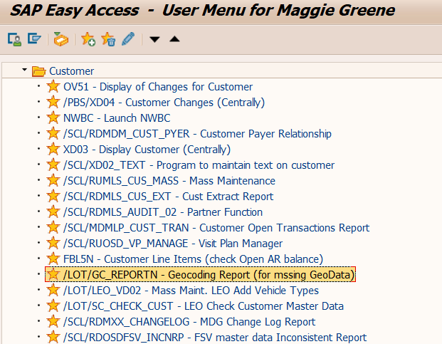

2. Enter 4200 in the Sales Org box and add all the customer numbers you need to update the GEO code and click the execute button.
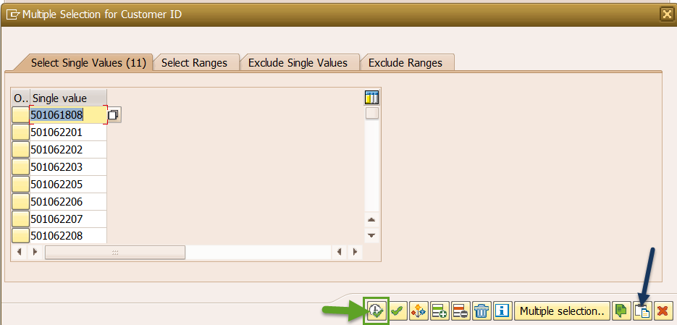
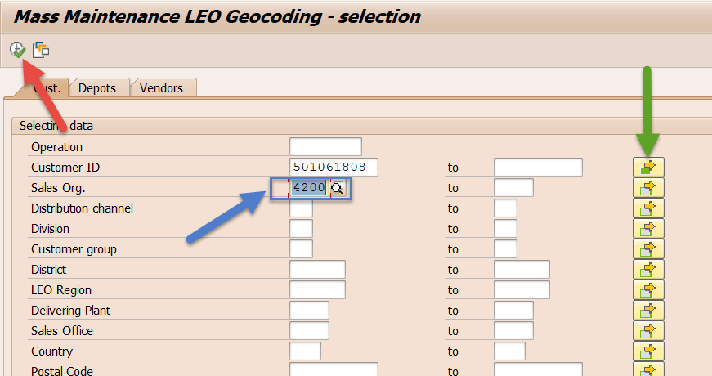

3. Click the select icon in the top left corner of the data screen, then click on the Geocoding button.
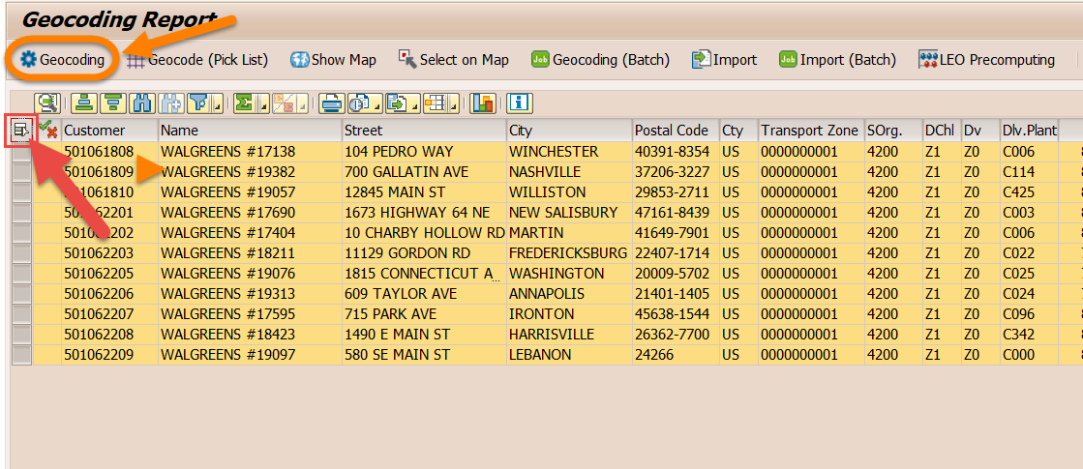

4. This runs trilium to populate the GEO Codes, you will see a green check appear beside each account and you will get a status notification at the bottom of the SAP screen confirming account changes.
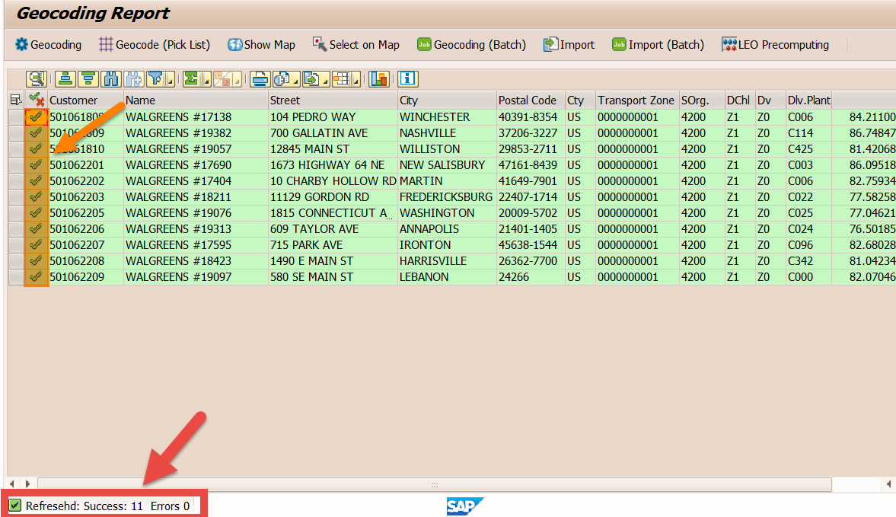

5. You can just close the screen, there is no save button as it is not necessary, the updates are automatically saved to the accounts.

FINAL CHECKLIST
REMEMBER WHEN CREATING TEMPLATE:
You can click the box
to mark it complete

No two acquisitions are alike! This is a general guideline to ensure the basics are covered. Please reach out to the SME or fellow teammates when in doubt.

NEW ACCOUNTS NEED:

NEW ACCTS
FINAL TAB, SAVE THE FILE ON THIS TAB AND ATTACHTHE ENTIRE WORKBOOK TO THE PROJECT REQUEST AS VALIDATION
NEW CUSTOMER | NAME | CITY | STATE | OLD CUSTOMER | ACN
0501459574 | POPS #0321 | HAMPTON | SC | 500886434 | 1909175
0501459675 | POPS #0323 | YEMASSEE | SC | 500888442 | 1822661
0501459677 | POPS #0322 | ESTILL | SC | 500888446 | 1819193
0501459678 | POPS #0308 | SAINT GEORGE | SC | 602015199 | 1807807
0501459679 | POPS #0801 | KINSTON | NC | 602336042 | 4784329
0501459680 | POPS #0806 | ERNUL | NC | 602345736 | 7260305
0501459681 | POPS #0804 | DOVER | NC | 602346842 | 2008148
0501459682 | POPS #0805 | KINSTON | NC | 602346941 | 1295259
0501459683 | POPS #0803 | LA GRANGE | NC | 602346961 | 1299320
0501459575 | POPS #0802 | NEW BERN | NC | 602362086 | 1180728
0501459576 | POPS #0317 | BARNWELL | SC | 602403663 | 9152895
0501459577 | POPS #0318 | COLUMBIA | SC | 602403668 | 2124846
0501459578 | POPS #0324 | CHAPIN | SC | 602403681 | 1518452
0501459579 | POPS #0302 | DENMARK | SC | 602403684 | 1772463
0501459580 | POPS #0311 | BARNWELL | SC | 602403688 | 1708359
0501459671 | POPS #0305 | NEW ELLENTON | SC | 602403701 | 3621826
0501459672 | POPS #0309 | GASTON | SC | 602403707 | 1192528
0501459673 | POPS #0310 | BARNWELL | SC | 602403714 | 1714650
0501459674 | POPS #0315 | SWANSEA | SC | 602403720 | 7734390
0501459676 | POPS #0319 | COLUMBIA | SC | 602403733 | 2125660

